Sheet1
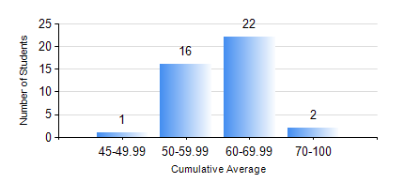
 |  |  | KWAME NKRUMAH UNIVERSITY OF SCIENCE AND TECHNOLOGY, KUMASI Department of Mechanical Engineering

 |  |  | BSC. INDUSTRIAL ENG.

 |  |  | COMPREHENSIVE RECORD OF EXAMINATION RESULTS

 |  |  | RESULTS OF YEAR 3 FIRST SEMESTER, 2020/2021 ACADEMIC YEAR

 | Sn | Course Code |  | Course Name | Credit Hours | Min. Mark | Max. Mark | Avg. Mark | Std. Dev. | No. Passed | No. Trailed | No. (Df) | No. (I) | No. (I*) | No. Tagged(I,I*,Df) | Total
 | 0. |  |  |  |  |  |  | 0 | 0 | 0 | 0 | 0 | 0 | 0 | 0 | 1
 | 1. | IE 351 |  | OPERATIONS RESEARCH I | 2 | 12 | 78 | 44 | 16.2 | 32 | 8 | 0 | 0 | 0 | 0 | 40
 | 2. | IE 355 |  | DISCRETE EVENT SIMULATION | 3 | 46 | 83 | 64 | 10.37 | 40 | 0 | 0 | 0 | 0 | 0 | 40
 | 3. | IE 357 |  | PROJECT MANAGEMENT | 2 | 12 | 76 | 46 | 16.11 | 33 | 7 | 0 | 0 | 0 | 0 | 40
 | 4. | IE 363 |  | PROCESS PLANNING SYSTEMS | 2 | 40 | 85 | 59 | 12.53 | 40 | 0 | 0 | 0 | 0 | 0 | 40
 | 5. | IE 365 |  | ENGINEERING WORK STUDY | 2 | 41 | 77 | 61 | 9.48 | 40 | 0 | 0 | 0 | 0 | 0 | 40
 | 6. | IE 367 |  | ETHICS, CONTRACT & PRODUCT LIABILITY LAW | 2 | 51 | 88 | 67 | 11.64 | 40 | 0 | 0 | 0 | 0 | 0 | 40
 | 7. | MATH 351 |  | NUMERICAL ANALYSIS | 2 | 35 | 73 | 53 | 8.28 | 39 | 1 | 0 | 0 | 0 | 0 | 40
 | 8. | MATH 353 |  | PROBABILTY AND STATISTICS | 2 | 42 | 85 | 67 | 9.65 | 40 | 0 | 0 | 0 | 0 | 0 | 40

